Summary
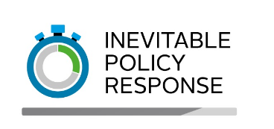
 |  | Inevitable Policy Response (2021)

 |  | Workbook description | This spreadsheet contains the energy and land use value drivers and the country-region mappings for the Forecast Policy Response (FPS).
 |  | Time period | 2020-50
 |  | Time intervals | 1 year
 |  | Jurisdiction (energy) | The energy value drivers cover 21 world regions including 12 G20 countries and 9 composite regions (see below)
 |  | Jurisdiction (land use) | The land use value drivers cover 16 world regions including 6 G20 countries and 10 composite regions (see below)

 |  | Sheet name | Sheet description
 |  | FPS value drivers | Contains the energy and land use value drivers for the FPS at 1 year intervals between 2020-50

 |  | Notes
 |  | 1. All costs are in 2020 USD
 |  | 2. Values in grey are interpolated
 |  | 3. Each IPR variable is mapped to a Network for Greening the Financial System (NGFS) where possible for ease of use

Jurisdiction
Energy
Countries | Australia (AUS), Brazil (BRA), Canada (CAN), China (CHN), India (IND), Indonesia (IDN), Japan (JPN), Russia (RUS), South Africa (ZAF), South Korea (KOR), United Kingdom (GBR), United States (USA)
Composite regions | Central and South America (CSA), Eastern Europe (EEU), Eurasia (EURA), Gulf Cooperation Council (GCC), Middle East and North Africa (MENA), South Asia (SA), South East Asia and Oceania (SEAO), Sub-Saharan Africa (SSA), Western Europe (WEU)

Land use
Countries | Brazil (BRA), Canada (CAN), China (CHA), India (IND), Russia (RUS), United States (USA)
Composite regions | Australia and New Zealand (ANZ), Developed East Asia (DEA), Latin America (ex. Brazil) (LAM), Middle East Asia (MEA), North Europe (NEU), Reforming Economies (REF), South East Asia (OAS), South Asia (ex. India) (SAS), Sub-Saharan Africa (SSA), Western Europe (EUR)

